Sheet1
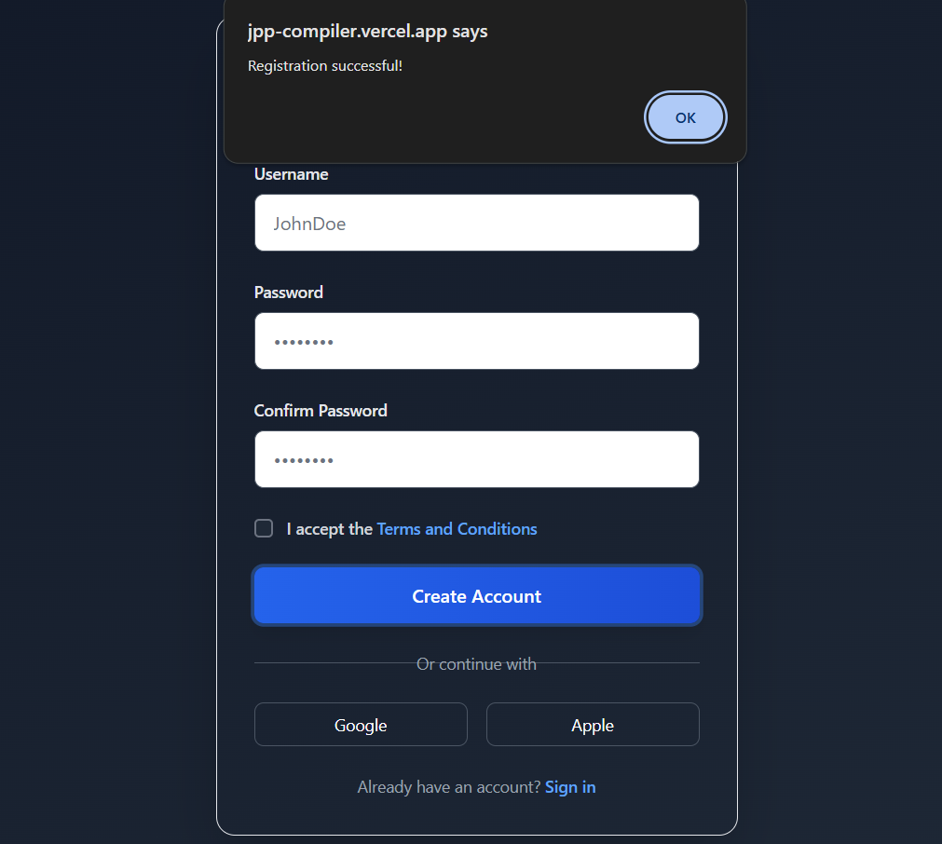
Bug ID | Priority | Description | Pre-requisites | Tests to Reproduce | Expected Result | Actual Result | Status | Executed by | Broswer/ Device | Attachements | Comments
B001 | P0 | Verify whether user able to register his account without entering the password field | Open the url and enter the url : https://jpp-compiler.vercel.app/register.html | 1.Enter the test data in each input field. 2.Click on Craete Account button. | User should get a suggestion tip to fill password field | User does not gets a suggestion tip to fill password field | Fail | Sahil | Chrome
B002 | P0 | Verify whether user able to register his account without entering the any details | Open the url and enter the url : https://jpp-compiler.vercel.app/ | 1. Don't Enter any test data in each input field. 2.Click on Create account button | User should get a suggestion tip to fill details | User successfully registered the account | Fail | Sahil | Chrome
B003 | P0 | Verify whether user able to register his account without selecting "terms and conditions" box | Open the url and enter the url : https://jpp-compiler.vercel.app/ | 1.Enter the test data in each input field. 2.Don't select terms and condition box 3.Click on crteate account button | User should get a suggestion tip to select terms and conditions | User successfully registered the account | Fail | Sahil | Chrome
B004 | P0 | Verify if user alredy have an account then able to Sign up | Open the url and enter the url : https://jpp-compiler.vercel.app/ | 1. Open login page 2. Click on Sign up | user should able to open in sign up or click on sign button | User not moving forward | Fail | Sahil | Chrome 124.06
B005 | P0 | Verify whether user able to register his account using Google account | Open the url and enter the url : https://jpp-compiler.vercel.app/ | 1. Open login page 2. Click on Google account | User should able to craete account using google account | User not able to click on google account button , user is not moving foeward | Fail | Sahil | Chrome 124.06
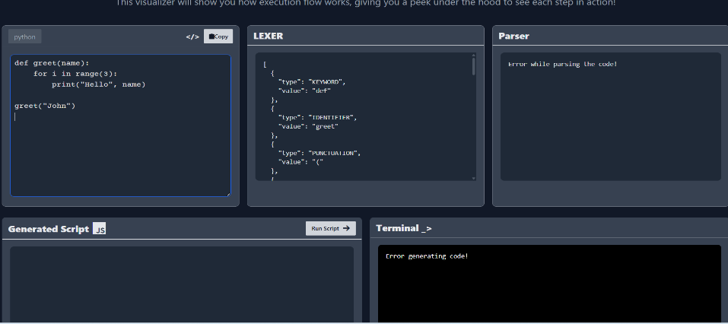
B006 | P0 | Verify whether user able to register his account using Apple account | Open the url and enter the url : https://jpp-compiler.vercel.app/ | 1. Open login page 2. Click on Apple Account | User should able to craete account using Apple account | User not able to click on apple account button , user is not moving foeward | Fail | Sahil | Chrome 124.06
B007 | P0 | Verify Loop Structure in visulizer | Open the url and enter the url : https://jpp-compiler.vercel.app/ | 1. Open visualizer 2. write test data code | Equivalent JS loop (e.g., for with console.log) | Show parsing error | Fail | Sahil | Chrome 124.06
B008 | P0 | Verify multi-line Python code (functions, classes, etc.) | Open the url and enter the url : https://jpp-compiler.vercel.app/ | 1. Open visualizer 2. write test data code | Convert into JS | Show parsing error | FAIL | Sahil | Chrome 124.06
B009 | P1 | Verify Valid MatLang Code | Open the url and enter the url : https://jpp-compiler.vercel.app/ | 1. Open code play ground 2. select matlang language 3.write matlang code 4.Click on run code | User should able to run code | showing Error | FAIL | Sahil | Chrome 124.06
B010 | P2 | Verify that Submit with all valid inputs | Open the url and enter the url : https://jpp-compiler.vercel.app/ | Fill Name, Email, Message and click Send Message | Success message shown (e.g. “Message sent) | page isn't working | FAIL | Sahil | Chrome 124.06 | 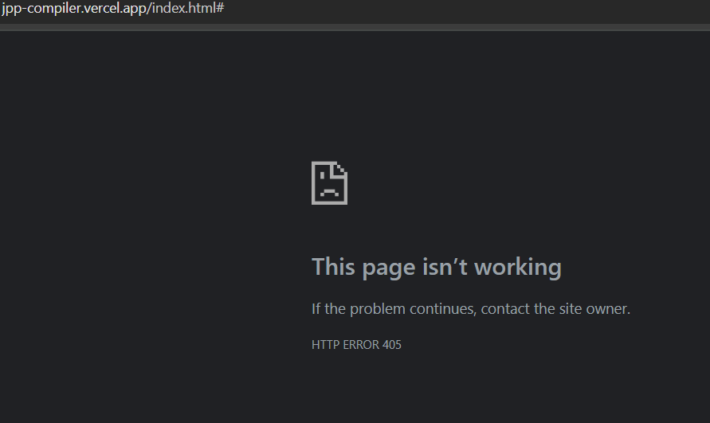
B011 | P3 | Validate that User finds main CTAs (Playground, Visualizer) easliy | the url and enter the url : https://jpp-compiler.vercel.app/ | 1.Go to web page 2.click on right logo to find visualizer 3.Scroll down in try it section find Playground | Buttons or links should be clearly visible in above section | Both functionality are hard to find | FAIL | Sahil | Chrome 124.06
B012 | P3 | Verify whether user able to complete a basic task on first-time | Open the url and enter the url : https://jpp-compiler.vercel.app/ | 1.Go to web page 2.Go to visualizer 3.convert your code | user should convert Python snippet in playground in under 2 minutes | user can't convert Python snippet in playground in under 2 minutes | FAIL | Sahil | Chrome 124.06
B013 | P3 | Verify whether user able to access help from website how to convert code (No onboarding/help) | Open the browser and enter the url : https://kushitravels.com/signup.php User logged in | Go to the web page | Application should display a short 1-minute walkthrough or tooltip guide | Nothing like that avaiable | FAIL | Sahil | Chrome 124.06

